Legend
Legend
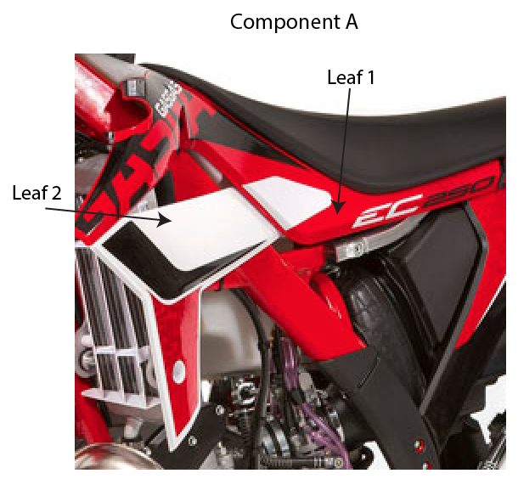
Targets Tab
1) Model & Manufacture Name Columns
- Enter model name given by manufacture in the manufacture name column
- Enter model name assigned internally to group assets (pictures and manuals) in model column.
2) Position Columns
When entering a shape under a position we use:
<Position_id>:<Component_Manufacture>;<Component_Name>;<Component_Colour>;<Surface_Material - Component_Curvature - Texture>;<Shape1(Shape1 name)-..n(Shapen name)>|<Next_Component>
e.g. 1:Honda;Original;Red,White-Blue,Black;Plastic-3-Smooth;1330-2349|Acerbis;Skull Plate;Green-Black;Metal-1;450
- If nothing is entered for the <Component_Manufacture> then the seed loader will automatically give the component the same manufacture name as Target Manufacture
- If nothing entered for the <Component_Name> then the seed loader will automatically give the component name as Stock
- Entering Colour Information
- Default Colour Column
Targets have a primary colour (e.g. Honda CRF250R, primary colour = Red). For this example
placing "Red" in the primary colour column applies Red to every component without a colour specified.
If the colour cannot be identified then enter "unknown"
<Colour>
e.g. Red
- Multiple Editions
Editions of targets should be entered on the spreadsheet as separate rows
e.g. Gas Gas TXT PRO 125 2008 has two editions (Red & Blue)
Red is dominate colour (matches previous year), enter modal name as TXT PRO 125
Blue is unusual so enter model name as TXT PRO 125 and Manufacture name as TXT PRO 125 (Blue)
- Leaf Component Colours
<Component_Colour> as follows:
Component Leaf 1 Colour,... Component Leaf n Colour
e.g. Red,White
- If nothing entered for <Surface_Material> then seed loader will automatically set the components surface material to Plastic.
- Position_id is not recorded on the second/third.. components
- The first component that is entered will become the default component (i.e. selected first in the display map)
- The first shape that is specified for a component will be the default shape for the component.
Special Case Shape ids
- For a shape that is similar to another shape, an x is added at the end (no multiposition shapes are added for such shapes)
- For a shape that is re-used on multiple position a "s" is added to the shape id. (e.g swing arms and not multiposition shapes)
3) Target Fonts Column
Specify fonts that are to be suitable for specific target
<Font_1;...n>
e.g. Impact;Ninja;Times

Positions Tab
1) Default Colour Palette
The target_types colour palette is specified in the first row of this sheet,
e.g. Motorbikes = White, Black, Blue, Yellow, Red, Green
2) List all Positions
All the positions available for the target_type are specified from A3 down

Target Categories Tab
1) Display Map Grid Size
In B1 state the number of columns required in the display map; In C1 state the number of rows required in the display map.
2) Grid Layout
Specify the layout of position in the display map grid with the angle at which they should be displayed. (Max area to use A2:E20)
<position name>, <angle> (only one position per cell)
3) Target Category Font
Specify the fonts that can be used for the target category. (Row 21)
4) Target Category Shapes
Specify the Generic Shapes for Target Categories positions
5) SE-TE-Min-Max (Surrounding Environment - Target Environment-Minimum Operating Temperature-Maximum Operating Temperature)
Specify the desired surrounding enviornment for the position (e.g. Indoor, Outdoor, Sea Water, Water)
Specify the desired targert environment for the target category position (e.g. Non Slip, UV)
Specify the operating temperature range
<Surrounding Environment>,<Target Enviroment>,<Minimum Operating Temperature>,<Maximum Operating Temperature>
6) Target Category Features
All positions on target_category stated in column A23 down, state over-riding features constrains beside each position if required.
<feature name>, <regulated>, <visibility_regulated>, <placement>,<z-index>;

